Sheet1
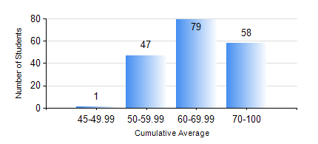
 |  |  | KWAME NKRUMAH UNIVERSITY OF SCIENCE AND TECHNOLOGY, KUMASI Department of Civil Engineering

 |  |  | BSC. CIVIL ENG.

 |  |  | COMPREHENSIVE RECORD OF EXAMINATION RESULTS

 |  |  | RESULTS OF YEAR 3 SECOND SEMESTER, 2019/2020 ACADEMIC YEAR

 | Sn | Course Code |  | Course Name | Credit Hours | Min. Mark | Max. Mark | Avg. Mark | Std. Dev. | No. Passed | No. Trailed | No. (Df) | No. (I) | No. (I*) | No. Tagged(I,I*,Df) | Total
 | 0. |  |  |  |  |  |  | 0 | 0 | 0 | 0 | 0 | 0 | 0 | 0 | 3
 | 1. | CE 352 |  | STEEL AND TIMBER DESIGN | 3 | 55 | 96 | 84 | 7.33 | 182 | 0 | 0 | 0 | 0 | 0 | 182
 | 2. | CE 356 |  | HYDRAULIC ENGINEERING | 3 | 41 | 95 | 82 | 10.13 | 182 | 0 | 0 | 0 | 0 | 0 | 182
 | 3. | CE 360 |  | FOUNDATION ENGINEERING | 3 | 40 | 74 | 56 | 7.76 | 178 | 0 | 0 | 4 | 0 | 4 | 182
 | 4. | CE 364 |  | ENVIRONMENTAL QUALITY ENGINEERING | 3 | 52 | 93 | 81 | 7.29 | 182 | 0 | 0 | 0 | 0 | 0 | 182
 | 5. | CE 368 |  | HIGHWAY ENGINEERING | 3 | 60 | 78 | 69 | 4.33 | 182 | 0 | 0 | 0 | 0 | 0 | 182
 | 6. | CE 376 |  | CIVIL ENGINEERING QUANTITIES | 2 | 46 | 89 | 74 | 6.64 | 181 | 0 | 0 | 1 | 0 | 1 | 182
 | 7. | CE 378 |  | INTEGRATED DESIGN | 2 | 62 | 80 | 70 | 4.46 | 182 | 0 | 0 | 0 | 0 | 0 | 182

